Sheet1
T1300539 BS wide-angle Scatter Displacement Noise Summary

Detector Viewer Summary

File : H:\ADLIGO\SLC\Scattering BS_6-10-13.ZMX
Title: D0901920-v4, Advanced LIGO, H1 Layout
Date : 6/11/2013

BSC2 chamber
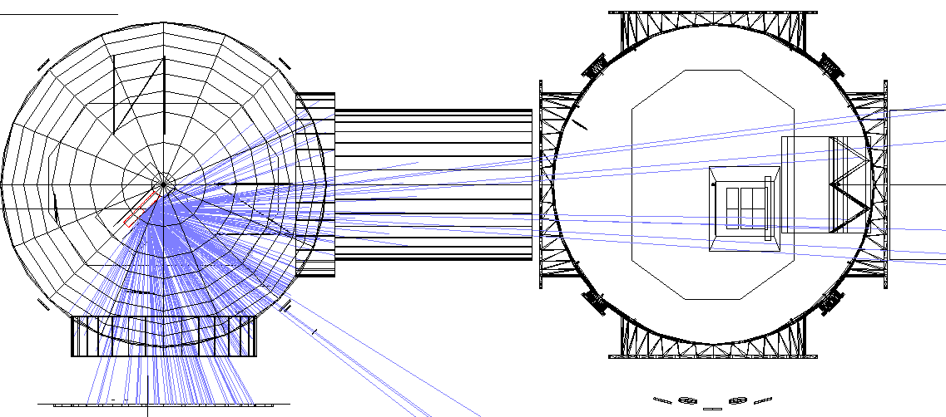

ACB

ITM Ellip Baf

BS

ELL BAF PLATE BSAR
spool BSC2-BSC3
ITM SUS

ITMX Manifold

HAM4/MC tube

Incoherent Data
 |  |  | ZEMAX coordinate
Surface | Power, W | fractional scatter | x | y | z | scattering length, mm | incident angle, deg | incident angle, rad
Recycling Cavity Power | 2.84E+03
Scatter Loss Fraction | 1.00E-05
BS |  |  | 82.91 | -202.6 | -136.6
Total Analysis Power Reference | 1000
1015: BS Scatter Detector | 999.3 | 0.9993
1016: BSC2 cylinder | 737.6 | 0.7376
1021: BSC top | 57.1 | 0.0571
1022: BSC bottom | 160.8 | 0.1608

1023: BSC2 cyl exit +X | 108.0 | 0.1080
1024: BSC2 cyl exit -Y | 321.9 | 0.3219

999: ELL BAF PLATE1 | 0.2 | 0.0002 | 83 | -203 | 750 | 887 | 45 | 0.79
1002: ELL BAF PLATE2 ITMX | 0.3 | 0.0003 | 83 | 9 | 750 | 912 | 58 | 1.02
1003: ELL BAF PLATE3 ITMX | 23.0 | 0.0230 | 83 | -416 | 750 | 912 | 59 | 1.02
total Ellip Baf ITMX | 23.4 | 0.0234

994: ELL BAF PLATE BSAR | 0.5 | 0.0005 | 83 | -130 | -17 | 140 | 76 | 1.33

1017: BSC spool +X | 40.4 | 0.0404 | 0 | 776 | 1250 | 1699 | -10 | -0.17
1018: BSC flange +X | 25.5 | 0.0255 | 0 | 692 | 1425 | 1802 | -15 | -0.26
1025: spool BSC2-BSC3 | 29.2 | 0.0292 | 0 | 620 | 2231 | 2508 | -26 | -0.45
1026: BSC3 opening | 11.5 | 0.0115
check total exit +X | 106.7 | 0.9877

1019: BSC spool -Y | 97.2 | 0.0972 | 83 | -1279 | 764 | 1403 | 5 | 0.09
1020: BSC flange -Y | 57.9 | 0.0579 | 83 | -1420 | 600 | 1423 | 14 | 0.24
373: BS Chamber HAM4 block | 152.1 | 0.1521
check total exit -Y | 307.2 | 0.9542

BSC2 cylinder | 323.7 | 0.3237 | 83 | -1063 | 814 | 1282 | -3 | -0.05
BSC top | 57.1 | 0.0571 | 1407 | -203 | 957 | 1717 | 50 | 0.88
BSC bottom | 160.8 | 0.1608 | -879 | -203 | 1010 | 1497 | 40 | 0.70
total BSC2 chamber | 541.6 | 0.5416

check total power | 979.3 | 0.9793

total hitting HAM4/MC tube | 152.1 | 0.1521 | 83 | -1835 | 845 | 1905 | 14 | 0.24

1028: ITM upper envelope | 0.0 | 0.0000
1029: ITM middle envelope | 4.1 | 0.0041 | 83 | -184 | 4577 | 4714 | -44.8 | -0.78
1030: ITM lower envelope | 0.0 | 0.0000
1031: SUS ring around TM | 0.6 | 0.0006 | -127 | -268 | 4597 | 4739 | -42 | -0.74
total ITM SUS | 4.6 | 0.0046 |  |  |  | 258 | 58 | 1.01

1047: ARM CAVITY BAF PLATE 6 ITMX | 1.1 | 0.0011 | -72 | 300 | 5710 | 5870 | -40 | -0.70
1051: WIDE ANGLE BAF BOTTOM LEDGE ITMX | 0.1 | 0.0001 | 290 | 387 | 5717 | 5887 | -39 | -0.68
1052: acb_wide-angle-baffle-side_H1_ITMx.POB | 0.2 | 0.0002 | 3.8 | 400 | 5730 | 5898 | -39 | -0.68
total ACB | 1.4 | 0.0014

1027: ITMX Manifold | 5.4 | 0.0054 | -225 | 535 | 7116 | 7297 | -39 | -0.68

check total entering BSC3 | 11.4 | 0.9914

SCATTERED LIGHT SUMMARY

Ref: see BS_wide-angle_scatter_ZEMAX.xmcd for the Displacement Noise Calculations

Surface | Incident Power, W | Power Scattered into IFO, W | BRDF, sr^-1 | Motion Spectrum, m/rtHz | Displace-ment Noise, m/rtHz
TOTAL ITM ELL BAF | 6.66E-04 | 4.56E-23 | 0.03 | 1.00E-12 | 2.26E-28
BSAR ELL BAF PLATE | 1.42E-05 | 1.87E-23 | 0.03 | 3.00E-14 | 4.33E-30
TOTAL BSC2 | 1.54E-02 | 2.18E-21 | 0.1 | 8.00E-11 | 1.25E-25
HAM4/MC TUBE | 4.33E-03 | 4.17E-22 | 0.1 | 8.00E-11 | 7.70E-26
TOTAL ITM SUS FRAME | 1.32E-04 | 4.64E-25 | 1 | 3.00E-14 | 3.94E-30
TOTAL WIDE ANGLE ITM ACB | 4.08E-05 | 9.57E-26 | 0.03 | 1.00E-12 | 1.03E-29

