Sheet1
T1300342-v1 OFI Optical Test Results, LLO
2013-02-07

Measured Parameter | Value | Req
OFI S/N
Location | LLO
Polarization Prism | iLIGO
Faraday Rotator | iLIGO
Optical Alignment
input power at BS, W | 5.56E-02
PD1, W | 2.60E-02
PD2, W | 2.93E-02
PD3, W | 2.86E-02
PD4, W | 6.70E-06
BS Reflectivity | 4.68E-01
BS Transmissivity | 5.27E-01
BS total | 9.95E-01
OFI Transmissivity | 9.76E-01 | 9.50E-01
OFI Extinction Ratio | 5.01E-04 | 1.00E-03

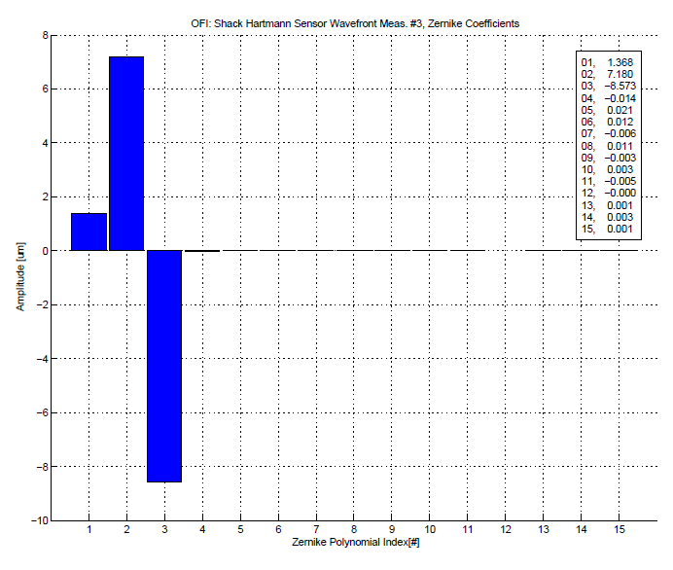

 |  | Zernike Coeff., micron
Parameter |  | SH Zernike, double pass data | SH Zernike single pass calc | Req (<10% coupling loss)
OFI S/N
Location | LLO
Polarization Prism | iLIGO
Faraday Rotator | iLIGO
Wavefront Distortion
Zernike #4, astigmatism |  | 0.014
Zernike #6, astigmatism |  | 0.012
Zernike 4,6 average |  | 0.013 | 0.009 | < 0.04
Zernike #7 - 15 |  | 0.01 | 0.007 | < 0.04

