BSC1-L1
D0900442 - AdvLIGO Systems, BSC1-L1 Top Level Chamber Assembly - Mass Properties BOM |  |  |  |  |  |  | SUSPENDED MASS |  | NON-SUSPENDED MASS |  |  | CARTRIDGE CONFIGURATION
ITEM NO. |  | P/N | DESCRIPTION | QTY |  |  | SUB-TOTAL | TOTAL | SUB-TOTAL | TOTAL |  | SUB-TOTAL | TOTAL
1 |  | D0900444 | AdvLIGO SEI BSC1-L1, XYZ Local CS for ISI Table | 1 |  |  |  | 1618.25 |  | 1618.25 |  |  | 3475.99
 | 1.1 | D0901182 | AdvLIGO SEI BSC ISI Table Assembly |  | 1 |  | 1618.25 |  | 1618.25 |  |  | 3279.00
 | 1.2 | D1003140 | Lifting Bar, 3-Point, BSC Cartridge, AdvLIGO |  | 1 |  | 0.00 |  | 0.00 |  |  | 196.99
2 |  | D0900445 | AdvLIGO SUS BSC1-L1, XYZ Local CS for ITMY | 1 |  |  | 363.49 | 363.49 | 131.00 | 131.00 |  | 363.49 | 363.49
 | 2.1 | D0901346-03 | AdvLIGO QUAD SUS Assembly Top Level TD-1084-090_ASM |  | 1 |  | 339.02 |  | 106.53 |  |  | 339.02
 | 2.2 | D1002424 | aLIGO, SUS, Viobration Absorber, 5LB Vertical with O-Rings |  | 4 |  | 12.01 |  | 12.01 |  |  | 12.01
 | 2.3 |  | Dog Clamps Set |  | 1 |  | 12.06 |  | 12.06 |  |  | 12.06
 | 2.4 |  | Hardware Set |  | 1 |  | 0.40 |  | 0.40 |  |  | 0.40
3 |  | D1002565 | AdvLIGO BSC1-L1 ISI Table, Payload & Suspended Mass Assembly | 1 |  |  |  | 708.94 |  | 708.94 |  | 437.61 | 437.61
4 |  | D1200112 | AdvLIGO, Cable Harness Routing BSC1 | 1 |  |  |  | 7.13 |  | 7.13 |  | 7.13 | 7.13

 |  |  | As per DCC # E1100006 (Pg 2) this is TOTAL MASS ON STAGE 1-2 SPRINGS = 2830 Kg |  | TOTAL [Σ(J3:J19)] |  |  | 2697.81 |  | 2465.32 |  |  | 4284.22
 |  |  | As per DCC # E1100006 (Pg 2) this is STAGE 2 BSC-ISI SUSPENDED MASS = 1614 Kg |  | ISO TABLE [J4] |  |  | 1618.25 |  |  |  |  | TARGET
 |  |  | As per DCC # E1100006 (Pg 2) this is LEFT FOR "OPTICS + TABLE MASSES" = 732 Kg |  | TOTAL PAYLOAD (J21-J22) |  |  | 1079.56 |  |  |  |  | 10000 LBS
 |  |  |  |  |  |  |  |  |  |  |  |  | 4536 Kg
 |  |  | CONFIGURATIONS | COUNTERBALANCE MASS |  |  | CENTER OF GRAVITY |  |  |  | TOTAL
 |  |  |  | PAYLOAD MASS | OUTER WALL MASS | KEEL MASS | X = 0.0 | Y = 0.0 | Z = 180.34 | "Z" TARGET 7.10 in | COUNTERBALANCE
 |  |  |  | (Kg) | (Kg) | (Kg) | ± 10 mm | ± 10 mm | ± 100 mm | 3.10 ≤ Z ≤11.10 | MASS
 |  |  | CG XY-Calculation (SUSPENDED Mass) | 342.10 | 95.50 | 271.34 | -1.43 | -1.72 | 136.35 |  | 708.94
 |  |  | CG Z-Calculation (Non-SUSPENDED Mass) | 342.10 | 95.50 | 271.34 | 17.30 | -22.26 | 256.88 | 10.11 | 708.94
 |  |  | CG XYZ-Calculation (Cartridge Configuration) | 342.10 | 95.50 | 0.00 | -0.20 | 6.31 | 125.20 | 4.93 | 437.61
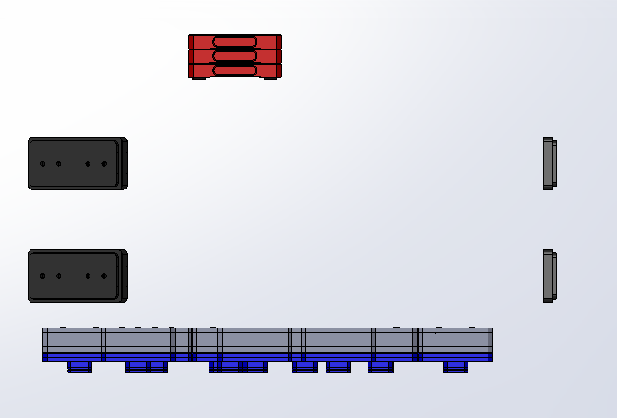
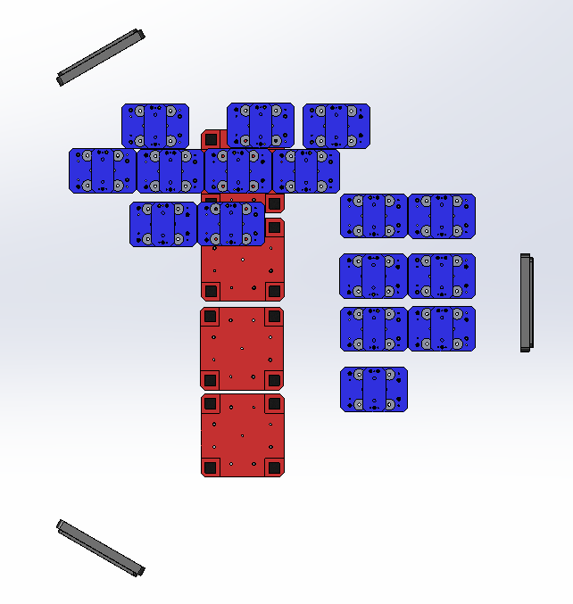
KEEL MASS

SIDE WALL MASS

PAYLOAD MASS

BOTTOM VIEW
(LOOKING UP)

BSC2-L1
D0900428 - AdvLIGO Systems, BSC2-L1 Top Level Chamber Assembly - Mass Properties BOM |  |  |  |  |  |  | SUSPENDED MASS |  | NON-SUSPENDED MASS |  |  | CARTRIDGE CONFIGURATION
ITEM NO. |  | P/N | DESCRIPTION | QTY |  |  | SUB-TOTAL | TOTAL | SUB-TOTAL | TOTAL |  | SUB-TOTAL | TOTAL
1 |  | D0900430 | AdvLIGO SEI BSC2-L1, XYZ Local CS for ISI Table | 1 |  |  |  | 1618.25 |  | 1618.25 |  |  | 3475.99
 | 1.1 | D0901182 | AdvLIGO SEI BSC ISI Table Assembly |  | 1 |  | 1618.25 |  | 1618.25 |  |  | 3279.00
 | 1.2 | D1003140 | Lifting Bar, 3-Point, BSC Cartridge, AdvLIGO |  | 1 |  | 0.00 |  | 0.00 |  |  | 196.99
2 |  | D0900431 | AdvLIGO SUS BSC2-L1, XYZ Local CS for BS HR | 1 |  |  | 204.70 | 204.70 | 164.45 | 164.45 |  | 204.70 | 204.70
 | 2.1 | D1000392 | AdvLIGO BS/FM Top Level Assembly |  | 1 |  | 151.83 |  | 111.58 |  |  | 151.83
 | 2.2 | TBD | AdvLIGO SUS BSC8-H2, BS/FM Stay Assembly |  | 4 |  | 19.73 |  | 19.73 |  |  | 19.73
 | 2.3 | D1002424 | aLIGO, SUS, Viobration Absorber, 5LB Vertical with O-Rings |  | 4 |  | 12.70 |  | 12.70 |  |  | 12.70
 | 2.4 | D1200750 | AdLIGO AOS SLC BS Elliptical Baffle Assembly |  | 1 |  | 2.25 |  | 2.25 |  |  | 2.25
 | 2.5 |  | Dog Clamps Set |  | 1 |  | 17.29 |  | 17.29 |  |  | 17.29
 | 2.6 |  | Hardware Set |  | 1 |  | 0.90 |  | 0.90 |  |  | 0.90
4 |  | D1101852 | AdvLIGO BSC2-L1 ISI Table, Payload & Suspended Mass Assembly | 1 |  |  |  | 865.20 |  | 865.20 |  | 591.34 | 591.34
5 |  | D1200060 | AdvLIGO, Cable Harness Routing BSC2 | 1 |  |  |  | 5.86 |  | 5.86 |  | 5.86 | 5.86

 |  |  | As per DCC # E1100006 (Pg 2) this is TOTAL MASS ON STAGE 1-2 SPRINGS = 2830 Kg |  | TOTAL [Σ(J3:J19)] |  |  | 2694.01 |  | 2653.75 |  |  | 4277.89
 |  |  | As per DCC # E1100006 (Pg 2) this is STAGE 2 BSC-ISI SUSPENDED MASS = 1614 Kg |  | ISO TABLE [J4] |  |  | 1618.25 |  |  |  |  | TARGET
 |  |  | As per DCC # E1100006 (Pg 2) this is LEFT FOR "OPTICS + TABLE MASSES" = 732 Kg |  | TOTAL PAYLOAD (J21-J22) |  |  | 1075.76 |  |  |  |  | 10000 LBS
 |  |  |  |  |  |  |  |  |  |  |  |  | 4536 Kg
 |  |  | CONFIGURATIONS | COUNTERBALANCE MASS |  |  | CENTER OF GRAVITY |  |  |  | TOTAL
 |  |  |  | PAYLOAD MASS | OUTER WALL MASS | KEEL MASS | X = 0.0 | Y = 0.0 | Z = 180.34 | "Z" TARGET 7.10 in | COUNTERBALANCE
 |  |  |  | (Kg) | (Kg) | (Kg) | ± 10 mm | ± 10 mm | ± 100 mm | 3.10 ≤ Z ≤11.10 | MASS
 |  |  | CG XY-Calculation (SUSPENDED Mass) | 495.84 | 95.50 | 273.86 | -1.09 | 0.89 | 200.22 |  | 865.20
 |  |  | CG Z-Calculation (Non-SUSPENDED Mass) | 495.84 | 95.50 | 273.86 | 1.64 | 2.48 | 221.98 | 8.74 | 865.20
 |  |  | CG XYZ-Calculation (Cartridge Configuration) | 495.84 | 95.50 | 0.00 | 1.89 | 0.54 | 164.86 | 6.49 | 591.34
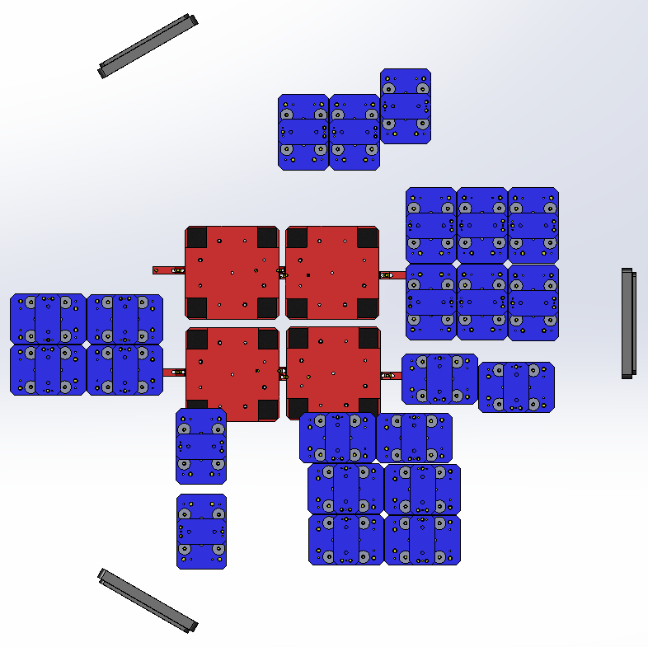
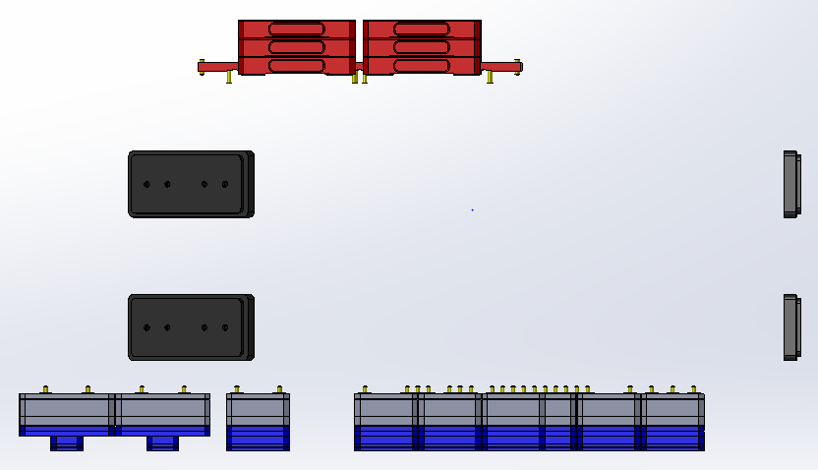
KEEL MASS

SIDE WALL MASS

PAYLOAD MASS

BOTTOM VIEW
(LOOKING UP)

BSC3-L1
D0900492 - AdvLIGO Systems, BSC3-L1 Top Level Chamber Assembly - Mass Properties BOM |  |  |  |  |  |  | SUSPENDED MASS |  | NON-SUSPENDED MASS |  |  | CARTRIDGE CONFIGURATION
ITEM NO. |  | P/N | DESCRIPTION | QTY |  |  | SUB-TOTAL | TOTAL | SUB-TOTAL | TOTAL |  | SUB-TOTAL | TOTAL
1 |  | D0900494 | AdvLIGO SEI BSC3-L1, XYZ Local CS for ISI Table | 1 |  |  |  | 1618.25 |  | 1618.25 |  |  | 3475.99
 | 1.1 | D0901182 | AdvLIGO SEI BSC ISI Table Assembly |  | 1 |  | 1618.25 |  | 1618.25 |  |  | 3279.00
 | 1.2 | D1003140 | Lifting Bar, 3-Point, BSC Cartridge, AdvLIGO |  | 1 |  | 0.00 |  | 0.00 |  |  | 196.99
2 |  | D0900495 | AdvLIGO SUS BSC3-L1, XYZ Local CS for ITMX | 1 |  |  | 363.51 | 363.51 | 130.80 | 130.80 |  | 363.51 | 363.51
 | 2.1 | D0901346-03 | AdvLIGO QUAD SUS Assembly Top Level TD-1084-090_ASM |  | 1 |  | 339.24 |  | 106.53 |  |  | 339.24
 | 2.2 | D1002424 | aLIGO, SUS, Viobration Absorber, 5LB Vertical with O-Rings |  | 4 |  | 12.01 |  | 12.01 |  |  | 12.01
 | 2.3 |  | Dog Clamps Set |  | 1 |  | 11.76 |  | 11.76 |  |  | 11.76
 | 2.4 |  | Hardware Set |  | 1 |  | 0.50 |  | 0.50 |  |  | 0.50
3 |  | D1000898 | AdvLIGO BSC8-H2 ISI Table, Payload & Suspended Mass Assembly | 1 |  |  |  | 699.02 |  | 699.02 |  | 425.16 | 425.16
4 |  | D1101142 | AdvLIGO, Cable Harness Routing BSC6 & BSC8 | 1 |  |  |  | 6.96 |  | 6.96 |  | 6.96 | 6.96

 |  |  | As per DCC # E1100006 (Pg 2) this is TOTAL MASS ON STAGE 1-2 SPRINGS = 2830 Kg |  | TOTAL [Σ(J3:J19)] |  |  | 2687.74 |  | 2455.03 |  |  | 4271.62
 |  |  | As per DCC # E1100006 (Pg 2) this is STAGE 2 BSC-ISI SUSPENDED MASS = 1614 Kg |  | ISO TABLE [J4] |  |  | 1618.25 |  |  |  |  | TARGET
 |  |  | As per DCC # E1100006 (Pg 2) this is LEFT FOR "OPTICS + TABLE MASSES" = 732 Kg |  | TOTAL PAYLOAD (J21-J22) |  |  | 1069.49 |  |  |  |  | 10000 LBS
 |  |  |  |  |  |  |  |  |  |  |  |  | 4536 Kg
 |  |  | CONFIGURATIONS | COUNTERBALANCE MASS |  |  | CENTER OF GRAVITY |  |  |  | TOTAL
 |  |  |  | PAYLOAD MASS | OUTER WALL MASS | KEEL MASS | X = 0.0 | Y = 0.0 | Z = 180.34 | "Z" TARGET 7.10 in | COUNTERBALANCE
 |  |  |  | (Kg) | (Kg) | (Kg) | ± 10 mm | ± 10 mm | ± 100 mm | 3.10 ≤ Z ≤11.10 | MASS
 |  |  | CG XY-Calculation (SUSPENDED Mass) | 329.66 | 95.50 | 273.86 | -0.53 | -0.93 | 137.38 |  | 699.02
 |  |  | CG Z-Calculation (Non-SUSPENDED Mass) | 329.66 | 95.50 | 273.86 | -23.94 | 17.91 | 258.72 | 10.19 | 699.02
 |  |  | CG XYZ-Calculation (Cartridge Configuration) | 329.66 | 95.50 | 0.00 | -0.20 | 6.31 | 125.20 | 4.93 | 425.16

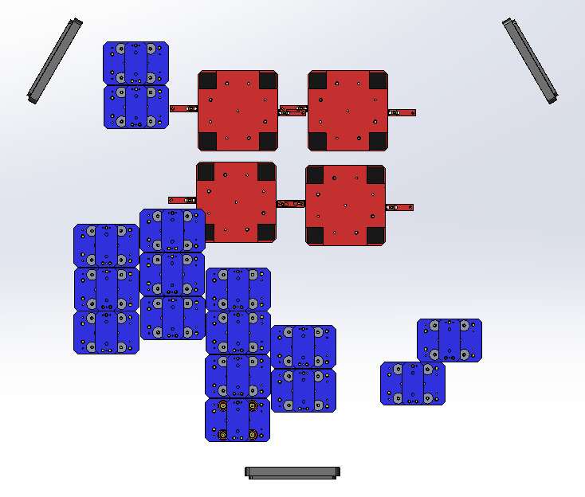
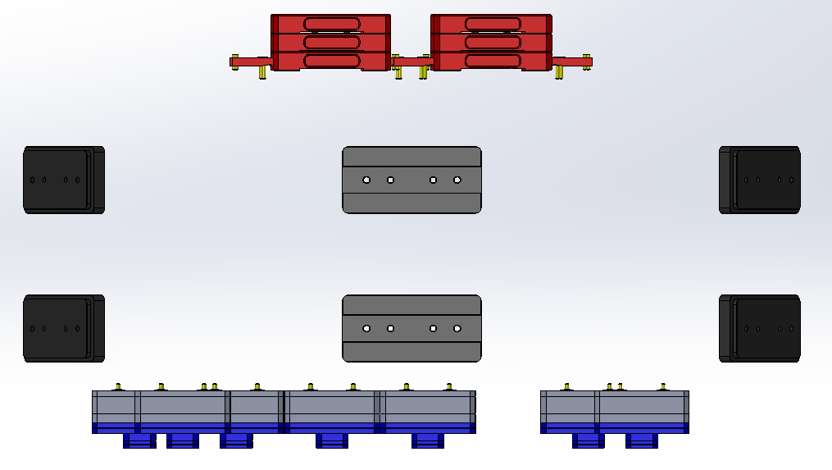
KEEL MASS

SIDE WALL MASS

PAYLOAD MASS

BOTTOM VIEW
(LOOKING UP)

BSC4-L1
D0900471 - AdvLIGO Systems, BSC4-L1 Top Level Chamber Assembly - Mass Properties BOM |  |  |  |  |  |  | SUSPENDED MASS |  | NON-SUSPENDED MASS |  |  | CARTRIDGE CONFIGURATION
ITEM NO. |  | P/N | DESCRIPTION | QTY |  |  | SUB-TOTAL | TOTAL | SUB-TOTAL | TOTAL |  | SUB-TOTAL | TOTAL
1 |  | D0900477 | AdvLIGO SEI BSC4-L1, XYZ Local CS for ISI Table | 1 |  |  |  | 1618.31 |  | 1618.25 |  |  | 3475.99
 | 1.1 | D0901182 | AdvLIGO SEI BSC ISI Table Assembly |  | 1 |  | 1618.31 |  | 1618.25 |  |  | 3279.00
 | 1.2 | D1003140 | Lifting Bar, 3-Point, BSC Cartridge, AdvLIGO |  | 1 |  | 0.00 |  | 0.00 |  |  | 196.99
2 |  | D0900478 | AdvLIGO SUS BSC4-L1, XYZ Local CS for ETMX | 1 |  |  | 363.23 | 363.23 | 130.04 | 130.04 |  | 363.23 | 363.23
 | 2.1 | D0901346-04 | AdvLIGO QUAD SUS Assembly Top Level TD-1084-090_ASM |  | 1 |  | 339.72 |  | 106.53 |  |  | 339.72
 | 2.2 | D1002424 | aLIGO, SUS, Viobration Absorber, 5LB Vertical with O-Rings |  | 4 |  | 12.01 |  | 12.01 |  |  | 12.01
 | 2.3 |  | Dog Clamps Set |  | 1 |  | 11.00 |  | 11.00 |  |  | 11.00
 | 2.4 |  | Hardware Set |  | 1 |  | 0.50 |  | 0.50 |  |  | 0.50
3 |  | D0900435 | AdvLIGO SUS BSC4-L1, XYZ Local ETM Tel Assy | 1 |  |  | 206.08 | 206.08 | 78.94 | 78.94 |  | 78.94 | 78.94
 | 3.1 | D0901880 | AOS ETM TELESCOPE UPPER SUSPENSION & STRUTURE ENV. ASSY |  | 1 |  | 189.44 |  | 64.80 |  |  | 64.80
 | 3.2 | D1002424 | aLIGO, SUS, Viobration Absorber, 5LB Vertical with O-Rings |  | 2 |  | 6.14 |  | 6.14 |  |  | 6.14
 | 3.3 |  | Dog Clamps Set |  | 1 |  | 10.00 |  | 7.28 |  |  | 7.28
 | 3.4 |  | Hardware Set |  | 1 |  | 0.50 |  | 0.72 |  |  | 0.72
4 |  | D1000898 | AdvLIGO BSC8-H2 ISI Table, Payload & Suspended Mass Assembly | 1 |  |  |  | 495.28 |  | 495.28 |  | 224.85 | 224.85
5 |  | D1300007 | AdvLIGO, Cable Harness Routing BSC4/BSC9 | 1 |  |  |  | 4.58 |  | 4.58 |  | 4.58 | 4.58

 |  |  | As per DCC # E1100006 (Pg 2) this is TOTAL MASS ON STAGE 1-2 SPRINGS = 2690 Kg |  | TOTAL [Σ(J3:J19)] |  |  | 2687.48 |  | 2327.09 |  |  | 4147.59
 |  |  | As per DCC # E1100006 (Pg 2) this is STAGE 2 BSC-ISI SUSPENDED MASS = 1618 Kg |  | ISO TABLE [J4] |  |  | 1618.31 |  |  |  |  | TARGET
 |  |  | As per DCC # E1100006 (Pg 2) this is LEFT FOR "OPTICS + TABLE MASSES" = 1070 Kg |  | TOTAL PAYLOAD (J21-J22) |  |  | 1069.17 |  |  |  |  | 10000 LBS
 |  |  |  |  |  |  |  |  |  |  |  |  | 4536 Kg
 |  |  | CONFIGURATIONS | COUNTERBALANCE MASS |  |  | CENTER OF GRAVITY |  |  |  | TOTAL
 |  |  |  | PAYLOAD MASS | OUTER WALL MASS | KEEL MASS | X = 0.0 | Y = 0.0 | Z = 180.34 | "Z" TARGET 7.10 in | COUNTERBALANCE
 |  |  |  | (Kg) | (Kg) | (Kg) | ± 10 mm | ± 10 mm | ± 100 mm | 3.10 ≤ Z ≤11.10 | MASS
 |  |  | CG XY-Calculation (SUSPENDED Mass) | 129.35 | 95.50 | 270.43 | 1.25 | 2.94 | 79.83 |  | 495.28
 |  |  | CG Z-Calculation (Non-SUSPENDED Mass) | 129.35 | 95.50 | 270.43 | -23.94 | 17.91 | 258.72 | 10.19 | 495.28
 |  |  | CG XYZ-Calculation (Cartridge Configuration) | 129.35 | 95.50 | 0.00 | -0.20 | 6.31 | 125.20 | 4.93 | 224.85
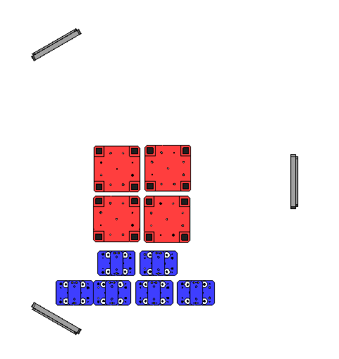
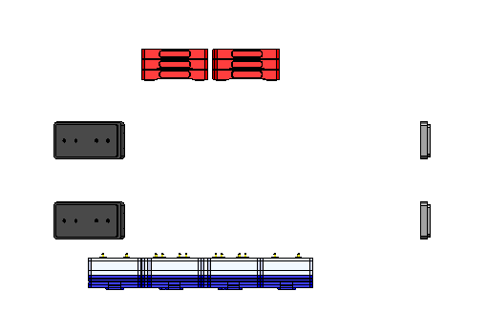

KEEL MASS

SIDE WALL MASS

PAYLOAD MASS

BOTTOM VIEW
(LOOKING UP)

BSC5-L1
D0900506 - AdvLIGO Systems, BSC5-L1 Top Level Chamber Assembly - Mass Properties BOM |  |  |  |  |  |  | SUSPENDED MASS |  | NON-SUSPENDED MASS |  |  | CARTRIDGE CONFIGURATION
ITEM NO. |  | P/N | DESCRIPTION | QTY |  |  | SUB-TOTAL | TOTAL | SUB-TOTAL | TOTAL |  | SUB-TOTAL | TOTAL
1 |  | D0900516 | AdvLIGO SEI BSC5-L1, XYZ Local CS for ISI Table | 1 |  |  |  | 1618.26 |  | 1618.26 |  |  | 3475.99
 | 1.1 | D0901182 | AdvLIGO SEI BSC ISI Table Assembly |  | 1 |  | 1618.26 |  | 1618.26 |  |  | 3279.00
 | 1.2 | D1003140 | Lifting Bar, 3-Point, BSC Cartridge, AdvLIGO |  | 1 |  | 0.00 |  | 0.00 |  |  | 196.99
2 |  | D0900517 | AdvLIGO SUS BSC5-L1, XYZ Local CS for ETMY | 1 |  |  | 363.36 | 363.36 | 130.17 | 130.17 |  | 363.23 | 363.23
 | 2.1 | D0901346-04 | AdvLIGO QUAD SUS Assembly Top Level TD-1084-090_ASM |  | 1 |  | 339.72 |  | 106.53 |  |  | 339.72
 | 2.2 | D1002424 | aLIGO, SUS, Viobration Absorber, 5LB Vertical with O-Rings |  | 4 |  | 12.01 |  | 12.01 |  |  | 12.01
 | 2.3 |  | Dog Clamps Set |  | 1 |  | 11.00 |  | 11.00 |  |  | 11.00
 | 2.4 |  | Hardware Set |  | 1 |  | 0.63 |  | 0.63 |  |  | 0.50
3 |  | D0900436 | AdvLIGO SUS BSC5-L1, XYZ Local ETM Tel Assy | 1 |  |  | 206.42 | 206.42 | 79.62 | 79.62 |  | 207.81 | 207.81
 | 3.1 | D0901880 | AOS ETM TELESCOPE UPPER SUSPENSION & STRUTURE ENV. ASSY |  | 1 |  | 189.77 |  | 61.58 |  |  | 189.77
 | 3.2 | D1002424 | aLIGO, SUS, Viobration Absorber, 5LB Vertical with O-Rings |  | 2 |  | 6.14 |  | 6.14 |  |  | 6.14
 | 3.3 |  | Dog Clamps Set |  | 1 |  | 10.00 |  | 11.00 |  |  | 11.00
 | 3.4 |  | Hardware Set |  | 1 |  | 0.51 |  | 0.90 |  |  | 0.90
4 |  | D1000898 | AdvLIGO BSC8-H2 ISI Table, Payload & Suspended Mass Assembly | 1 |  |  |  | 495.28 |  | 495.28 |  | 224.85 | 224.85
5 |  | DXXXXXX | AdvLIGO, Cable Harness Routing BSC4 | 1 |  |  |  | 4.51 |  | 4.51 |  | 4.51 | 4.51

 |  |  | As per DCC # E1100006 (Pg 2) this is TOTAL MASS ON STAGE 1-2 SPRINGS = 2830 Kg |  | TOTAL [Σ(J3:J19)] |  |  | 2687.83 |  | 2327.84 |  |  | 4276.39
 |  |  | As per DCC # E1100006 (Pg 2) this is STAGE 2 BSC-ISI SUSPENDED MASS = 1614 Kg |  | ISO TABLE [J4] |  |  | 1618.26 |  |  |  |  | TARGET
 |  |  | As per DCC # E1100006 (Pg 2) this is LEFT FOR "OPTICS + TABLE MASSES" = 732 Kg |  | TOTAL PAYLOAD (J21-J22) |  |  | 1069.57 |  |  |  |  | 10000 LBS
 |  |  |  |  |  |  |  |  |  |  |  |  | 4536 Kg
 |  |  | CONFIGURATIONS | COUNTERBALANCE MASS |  |  | CENTER OF GRAVITY |  |  |  | TOTAL
 |  |  |  | PAYLOAD MASS | OUTER WALL MASS | KEEL MASS | X = 0.0 | Y = 0.0 | Z = 180.34 | "Z" TARGET 7.10 in | COUNTERBALANCE
 |  |  |  | (Kg) | (Kg) | (Kg) | ± 10 mm | ± 10 mm | ± 100 mm | 3.10 ≤ Z ≤11.10 | MASS
 |  |  | CG XY-Calculation (SUSPENDED Mass) | 129.35 | 95.50 | 270.43 | -0.19 | -1.06 | 79.42 |  | 495.28
 |  |  | CG Z-Calculation (Non-SUSPENDED Mass) | 129.35 | 95.50 | 270.43 | 30.93 | 5.73 | 267.17 | 10.52 | 495.28
 |  |  | CG XYZ-Calculation (Cartridge Configuration) | 129.35 | 95.50 | 0.00 | -8.60 | -12.91 | 89.42 | 3.52 | 224.85
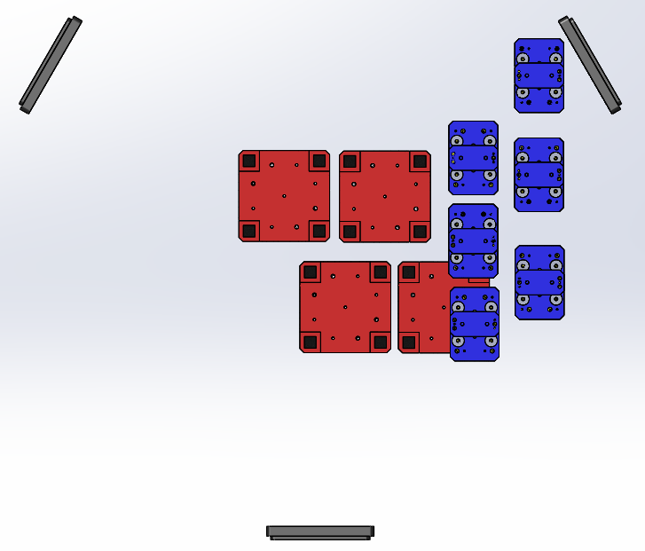
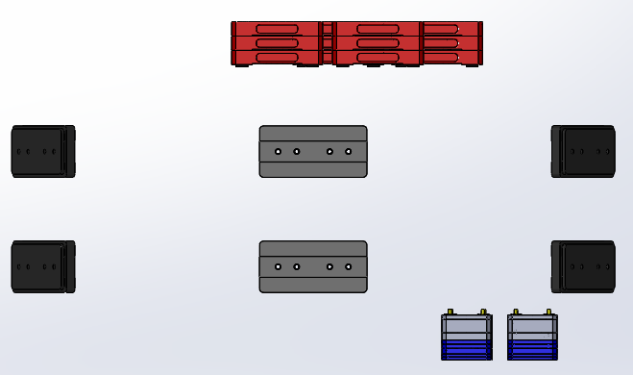

KEEL MASS

SIDE WALL MASS

PAYLOAD MASS

BOTTOM VIEW
(LOOKING UP)

